12
IP cameras
Devices Production (in millions of units)
2023 | 2030 | CAGR 2023-2030
63.01 | 355 | 0.28

Assumptions :
The CAGR of the Conservative scenario is increased to model virtual / real interaction increase
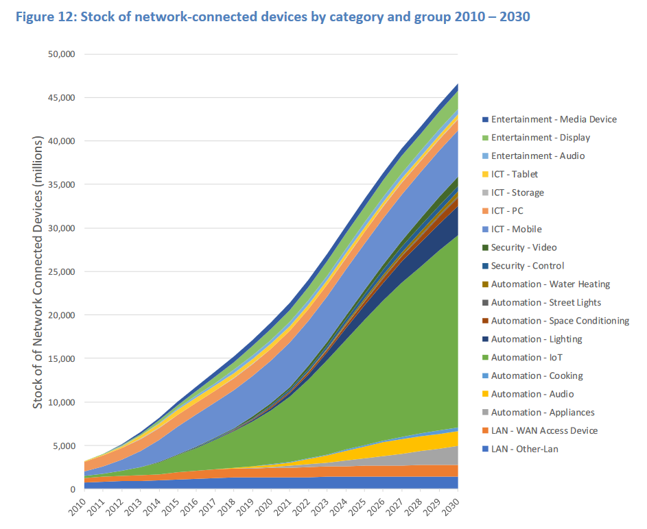
Comparison :
[IEA E4 EDNA, 2019, p32] |  | ->

IP cameras
Production GHG Intensity (in kgCO2e/unit)
2023 | 2030 | CAGR 2023-2030
54.12 | 90 | 0.02

Assumptions :
CAGR of Conservative scenario

IP cameras
Production energy Intensity (in kWh/unit)
2023 | 2030 | CAGR 2023-2030
194.05 | 90 | 0.03

Assumptions :
CAGR of Conservative scenario

IP cameras
Connected Devices (in millions of units)
2023 | 2025 | 2030 | CAGR 2023-2025 | CAGR 2025 - 2030
2 | 3 | 12 | 0.25 | 0.30

Assumptions :
The CAGR of the Conservative scenario is increased by 5% and then by 5% to model virtual / real interaction increase

IP cameras
Connected Devices Unitary Elec. Cons. (in kwh/year)
2023 | 2025 | 2030 | CAGR 2023-2025 | CAGR 2025 - 2030
2 | 2 | 3 | 0.02 | 0.04

Assumptions :
The CAGR of the Conservative scenario is increased by 2% and then by 2% to model virtual / real interaction increase

